Gaeilge
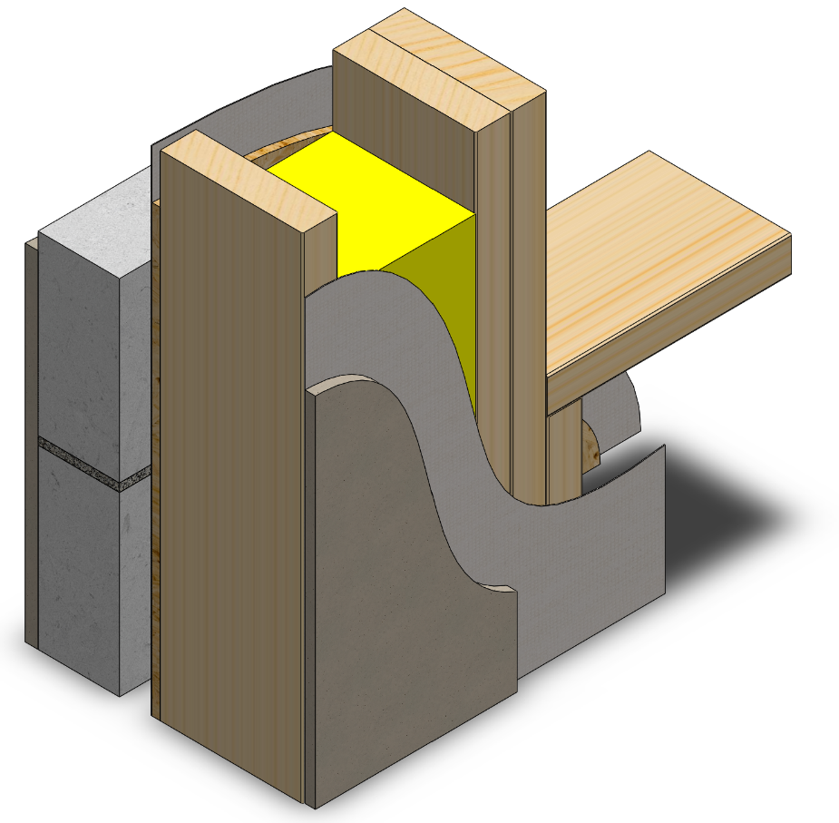
 | Áireamhán Ú-Luach:

 | Foirmleacha: |  |  | Sceitse: |  |  | Sampla:

 | R = T x r | nó | R = T
 |  |  | k

 | Eochair eolais:
 | R | Friotaíocht | m2 ºC / W
 | T | Tiús | m
 | r | Friotachas | m ºC / W
 | k | Seoltacht | W / m ºC
 | RT | Friotaoíocht Iomlán | m2 ºC / W
 | U | Ú-Luach | W / m2 ºC

 | Ábhar: |  | Tiús: | Friotachas: | Seoltacht: | Friotaíocht:
 |  |  | T | r | k | R
 |  |  | m | m ºC / W | W / m ºC | m2 ºC / W
1
2 |  |  |  |  |  |  |  | Ábhar | Tiús | Thermal data
3 |  |  |  |  |  |  |  | Friotaíocht an sheachtraigh |  | (R) | 0.048 m2 ºC / W
4 |  |  |  |  |  |  |  | Rindreáil sheachtrach | 18mm | (k) | 0.71 W / m ºC
5 |  |  |  |  |  |  |  | Bloc coincréite | 100mm | (k) | 1.44 W / m ºC
6 |  |  |  |  |  |  |  | Cuas | 50mm | (R) | 0.440 m2 ºC / W
7 |  |  |  |  |  |  |  | Clár Sliseog treoshuite (OSB) | 9mm | (k) | 1.30 W / m ºC
8 |  |  |  |  |  |  |  | Insliú ceallalós | 175mm | (k) | 0.039 W / m ºC
9 |  |  |  |  |  |  |  | Plástarchlár | 12.5mm | (k) | 0.250 W / m ºC
10 |  |  |  |  |  |  |  | Friotaíocht inmheánaigh |  | (R) | 0.130 m2 ºC / W

 | Friotaíocht inmheánaigh |  |  |  |  |  |  | Uas Ú-Luach Rialacháin Foirgníochta:
 | Friotaíocht cuas (má tá aon rud ann) |  |  |  |  |  |  | Ballaí coincréite seachtrach | 0.18 | W / m2 ºC
 | Friotaíocht an sheachtraigh |  |  |  |  |  |  | Díon claonta | 0.16 | W / m2 ºC
 |  |  |  |  |  |  |  | Díon cothrom | 0.2 | W / m2 ºC
 |  |  |  |  | RT |  |  | Urlár na talún:
 | Foirmleacha: |  |  |  |  |  |  | le téamh faoi urlár | 0.15 | W / m2 ºC
 |  |  |  |  |  |  |  | gan téamh faoi urlár | 0.18 | W / m2 ºC
 | U = 1 | 1 | =
 | RT

 |  | Answer: |  | Ú-Luach = |  | W / m2 ºC

